Sheet1
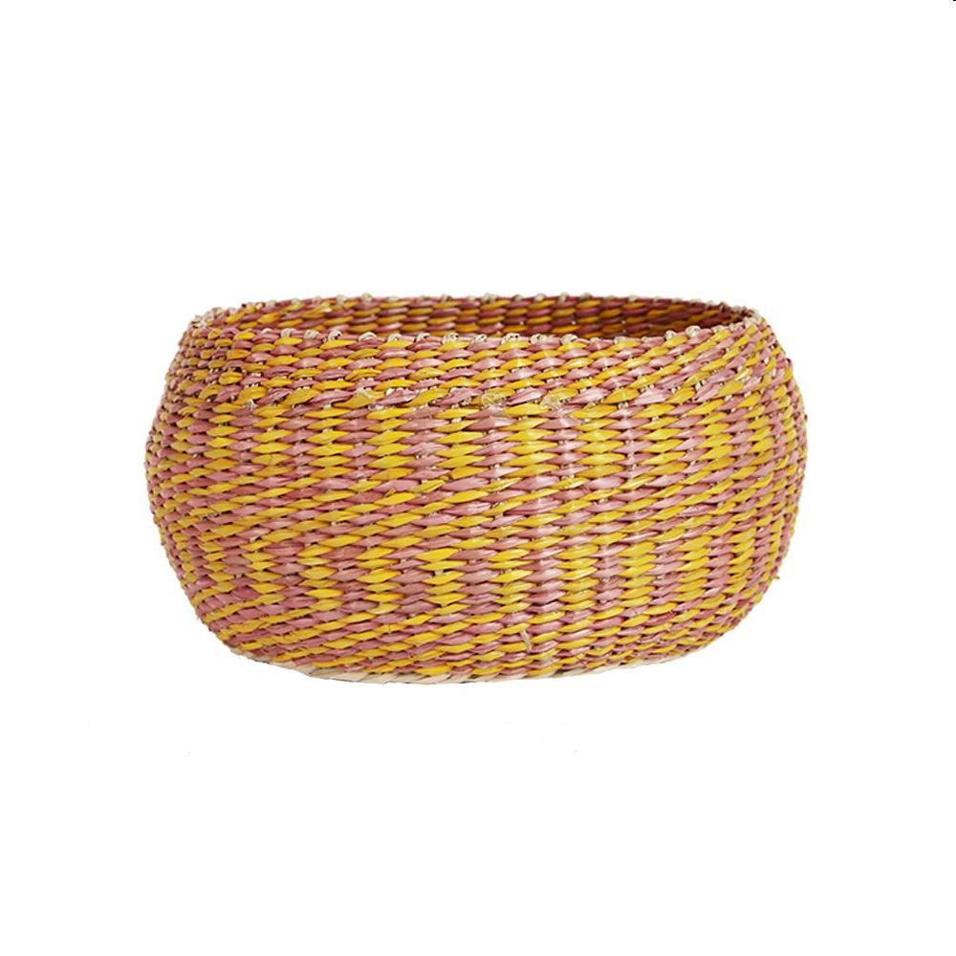
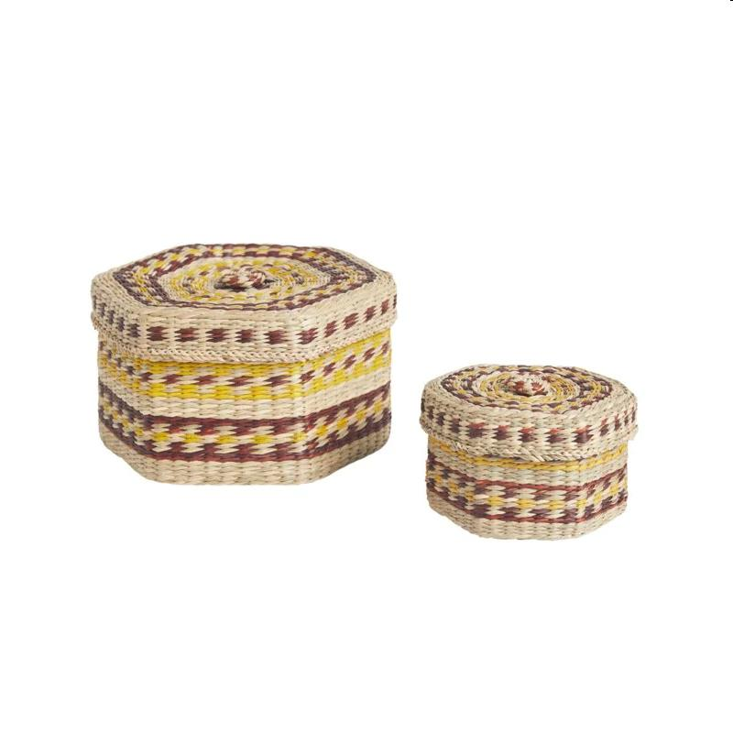
Picture | Item code | Description | Extra information | Restriction | Stock | Sales price EXW | Retail price | Barcode | Quantity PU | Quantity pallet | Pallet | Origin | Customs code | Item weight | Languages on package | Group
 | 21097 | Olli Ella Home, Totty Display Bowl Small 11x21x21cm | OEABAS-TOT-NA-S |  | 132 | 4.9 | 19.95 | 9353515008049 | 12 | 96 | Europallet 120x80 | RC | 4601211002 | 130 | uk | Olli Ella Home
 | 21098 | Olli Ella Home, Trinka Basket Set 21x19x12cm | OEABAS-TRI-CL-S |  | 124 | 6.9 | 34.95 | 9353515005284 | 16 | 128 | Europallet 120x80 | RC | 4601211000 | 200 | en | Olli Ella Home

